1.2 Sludge thickening
Table 2. Design parameter of thickener |  |  |  | Table 3. The mass balance of the thickener
 | Value |  |  |  | Value
Solid loading rate in the thickener (kgTS/(m2*d)) | 40 |  |  | Solids in the effluent sludge (kgTS/d) | 12961.40
Hydraulic loading rate in the thickener (m3/(m2*d)) | 8.11 |  |  | Solid content in the effluent sludge (%) | 4
Number of thickeners | 2 |  |  | Effluent sludge flowrate (m3/d) | 317.68
Surface area (m2) | 63.62 |  |  | Reject water flowrate (m3/d) | 198.39
Diameter (per thickener, m) | 9 |  |  | Reject water solids content (g/L) | 1
Depth of sludge (m) | 5 |  |  | Reject water solids loading (kg/d) | 198.39
Volume (m3) | 318.09

*Design of thickener
Solid loading rate | 40 | kgTS/(m2*d) | (Selecting from the range 40-80 kgTS/(m2*d) from the instruction)
Depth | 5 | m | Choosing from the range 3-5m as in the instruction)
Diameter | 9 | m | (Diameter is selected from value which are less than 10m)
Area | 63.62 | m2
Volume | 318.09 | m3
Influent flowrate | 516.07 | m3/d | (The flowrate is divided by 2 so as to fulfill the requirement of hydraulic loading rate. This means there will be 2 thickener in the process)
Hydraulic loading | 8.11 | m3/(m2*d) | (OK. In typical range of 6-12)

*Calculation of effluent sludge flowrate and reject water flowrate

Sludge to thickening:
Q = 516.07 m3/d
roo = 1020 kg/m3
TS = 2,5 m-%
Gravity thickener
Thickened sludge
roo = 1020 kg/m3
TS = 4 m-%
Reject water
TS = 1 g/L = 1 kg/m3

TS, reject water | 1 | g/L
TS, sludge in | 0.025
TS, thickened sludge | 0.04
roo, sludge in | 1020 | kg/m3
roo, thickened sludge | 1020 | kg/m3

Q in | 516.07 | m3/d

Mass solid 1 | 526390.02 | kg/d
TS, 1 | 13159.75 | kg/d
We have a mass balance equation
Q,1 = Q, reject + Q, thickened sludge => Q,reject = Q,1 - Q, thickened sludge = 516.07 - Q, thickened sludge

Solids are distributed between reject water and thickened sludge.
TS,1 = TS, reject + TS, thickened sludge
0.025 * 1020 kg/m3 * 516.07 m3/d = 1 kg/m3 * Q, reject m3/d + 0.04 * 1020 kg/m3 * Q, thickened sludge m3/d
0.025 * 1020 * 516.07 = 1 * (516.07 - Q, thickened sludge) + 0.04 * 1020 * Q, thickened sludge
13159.79 = 516.07 - Q,thickened sludge + 40.8 * Q, thickened sludge
12643. 72 =39.8 * Q, thickened sludge
Q, thickened sludge | 317.68 | m3/d
Q, reject | 198.39 | m3/d

TS, thickened sludge | 12961.40 | kg/d
TS, reject | 198.39 | kg/d | (This is calculated by Q, reject * TS, reject = Q, reject * 1 = Q, reject)
Total | 13159.79 | kg/d

1.3 Stabilization by anaerobic
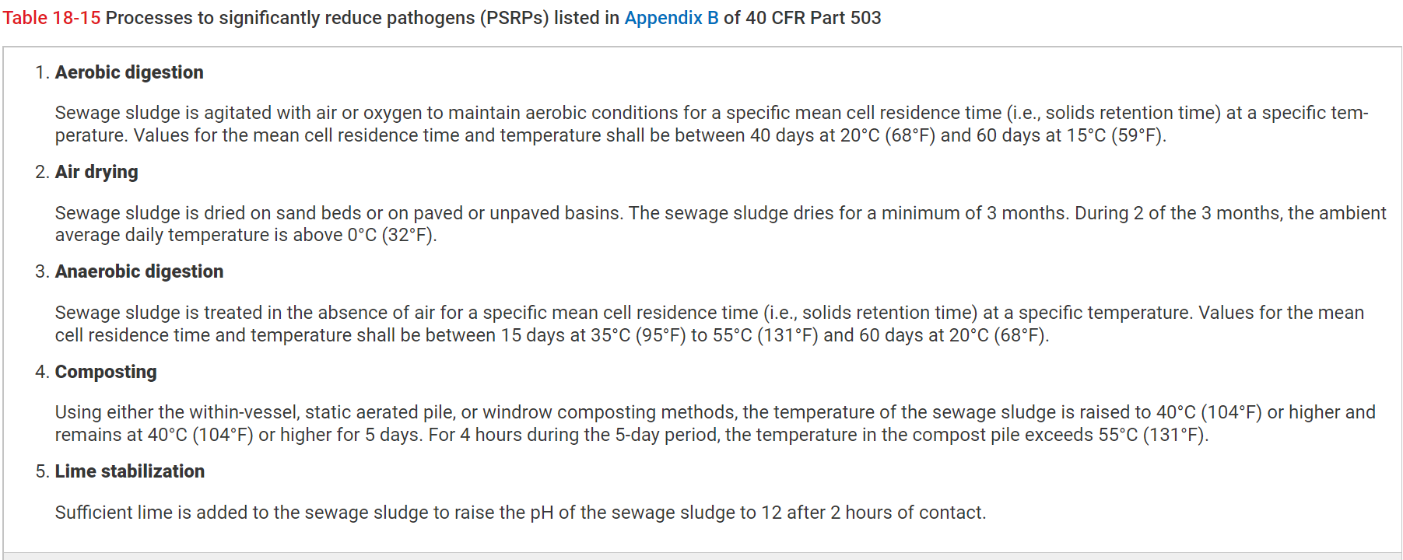
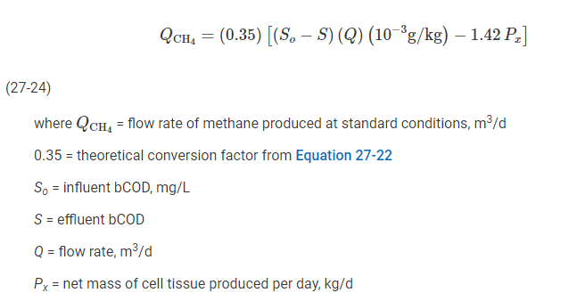
Table 4. The input values to design anaerobic digestion |  |  |  | Table 5. The design parameters of anaerobic digestion
 | Value |  |  |  | Value
Temperature (oC) | 35 |  |  | Sludge retention time (d) | 20.30
Influent bCOD (g/m3) | 6000 |  |  | Volume of reactor (m3) | 6448.66
Effluent bCOD (g/m3) | 600 |  |  | Px (kg/d) | 85.30
Safety factor | 5 |  |  | Methane production (m3/d) | 556.66
Y | 0.08 |  |  | Km driven with biogas produced (km) | 46543.13
K_s | 160
μ_m | 0.35
k_d | 0.03
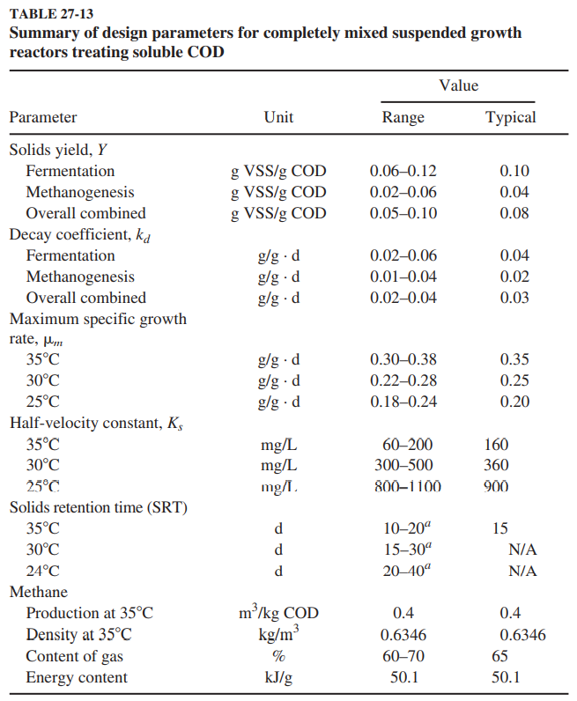

* Selection of input value to design anaerobic digestion
Y | 0.08 | g VSS/g COD | (Solid yields, from table 27-13 Davis 2010)
K_s | 160 | mg/L | (Half velocity constant, from table 27-13 Davis 2010)
μ_m | 0.35 | g/(g*d) | (Max specific growth rate, table 27-13 Davis 2010)
k_d | 0.03 | g/(g*d) | (Decay coefficient, table 27-13 Davis 2010)
bCOD_influent | 6000 | g/m3
bCOD_effluent | 600 | g/m3
By using equation 27-23 in Davis 2010, the solid retention time (SRT) is calculated
1/θc | 0.25 | d^-1 | (Equation 27-23 in Davis 2010)
θc | 4.06 | d
θc (with safety factor) | 20.30 | d | (Assuming safety factor = 5 as in example 27-6 in Davis 2010)
By comparing the SRT with table 18-15 for the requirement of process to significantly reduce pathogens (PSRP), we
could see that the SRT exceeds the PSRP as typical value for SRT at 35oC is 15 days.

Q_sludge in | 317.68 | m3/d | (This is the amount of sludge after thickening and from 1 thickener)
Volume of digester | 6448.66 | m3 | (V = Q*t. This is volume of 1 digester)

* Estimating the mass of biological solids synthesized
Y_obs | 0.050 | kg MLVSS/kg BOD5 removed | (Observed yield, equation 23-37 Davis 2010)
Px | 85.30 | kg/d | (Equation 23-38, net waste activated sludge produced each day in terms of VSS)

* Estimating methane production
CH4 equivalent of COD converted | 0.35 | L/g COD | (Equation 27-22 in Davis 2010. This is the amount of CH4 equivalent of COD converted under anaerobic condition)
Actual gas production | 0.395 | L CH4/g COD | (Based on equation 27-24 in Davis 2010)
Methane production | 556.66 | m3/d
Biogas production | 856.39 | m3/d | (As in the instruction the biogas contain 65% of CH4)
Total biogas production | 1712.79 | m3/d | (This is total amount of biogas produced from 2 digesters in this project work)
Consumption of 1 vehicle | 0.046 | kg biogas/km | (As in the instruction, 1 vehicle consumes 4.6 kg biogas/100 km)
Biogas density | 1.25 | kg/m3 | (Source: Teferra, D. M., Wubu, W. (2018). Biogas for Clean Energy. IntechOpen. DOI: 10.5772/intechopen.79534)
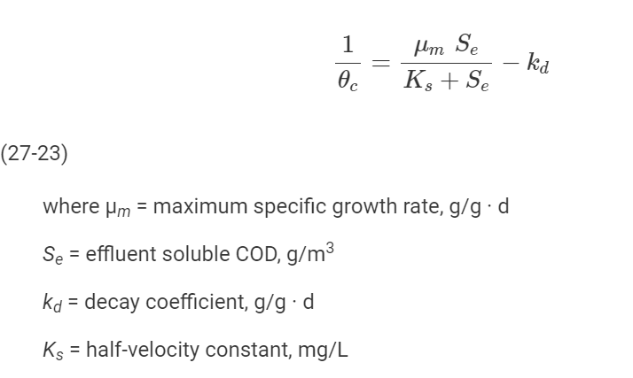
Amount of biogas | 2140.98 | kg/d
Amount of km that a vehicle can travel | 46543.13 | km/d

Process flowchart
